Course List
CORE Courses |  |  | Other Courses
TSEM 102 | 3 | CORE 1 | FREE ELEC | 3
ENGL 102 | 3 | CORE 2 | MATH 95 | 3 | PREREQ FOR MATH 102 - ALEKS 0-29
 | 3 | CORE 3 | MATH 102 | 4 | PREREQ FOR MATH 115 - 30 - 42
CORE 4 | 3 |  | MATH 115 | 3 | PREREQ FOR MATH 211 OR ALEKS = 43+
CORE 5 | 3
 | 3 | CORE 6 | Notations
CORE 7 | 4 |  | Repeat
CORE 8 | 3 |  | 3rd Attempt
CORE 10 | 3 |  | Approved Internship Required
CORE 11 | 3 |  | Need to be Admitted to Register:
CORE 12 | 3 |  | Conditional Admission to Register:
CORE 13 | 3 |  | Begin Looking for Internship
CORE 14 | 3

PACT/ACCT MAJOR |  |  | PBUA/PEBU/BUAD/EBUS MAJOR

PACT LL Admission Courses |  |  | PBUA/PEBU LL Courses
ACCT 201 | 3 |  | ACCT 201 | 3
ACCT 202 | 3 |  | ECON 201 | 3 | CORE 6
ECON 201 | 3 | CORE 6 | ECON 202 | 3 | CORE 6
ECON 202 | 3 | CORE 6 | ECON 205/MATH 231 | 3 | CORE 3
ECON 205/MATH 231 | 3 | CORE 3 | LEGL 225 | 3
LEGL 225 | 3 |  | MATH 211 | 3 | CORE 3

PACT UL Admission Courses |  |  | UL Business Req Courses
ACCT 301 | 3 |  | ACCT 202 | 3
ACCT 302 | 3 |  | BUSX 301 | 4 | CORE 9
ACCT 341 | 3 |  | EBTM 250 | 1 | 1ST HALF
ACCT 361 | 3 |  | EBTM 251 | 1 | 2ND HALF
 |  |  | EBTM 337 | 3
Other Required Courses |  |  | FIN 331 | 3
COMM 131/COMM 215 | 3 |  | MKTG 341 | 3
LEGL 226 | 3 |  | MNGT 361 | 3
MNGT 482/PHIL 371 | 3 | CORE 14
 |  |  | Major Only Business Req Courses
UL Business Req Courses |  |  | BUSX 460 | 3 | Approved Internship Required
BUSX 301 | 4 | CORE 9 | EBTM 350 * | 3
EBTM 250 | 1 | 1ST HALF | EBTM 365 * | 3
EBTM 251 | 1 | 2ND HALF | MNGT 481 | 3
FIN 331 | 3
MKTG 341 | 3 |  | Business Systems & Processes - Majors Courses
MNGT 361 | 3 |  | EBTM 310 | 3
 |  |  | EBTM 340 | 3 | FALL ONLY
Major Only Business Req Courses |  |  | EBTM 370 | 3 | FALL ONLY
BUSX 460 | 3 | Approved Internship Required | EBTM 360 | 3 | SPRING ONLY
EBTM 350 * | 3 |  | EBTM 400 | 3 | SPRING ONLY
EBTM 365 * | 3 |  | MNGT 482/EBTM 497 | 3
MNGT 481 | 3
 |  |  | PBUA/BUAD Concentration/Track Courses:
International Accounting Elective Course |  |  | Economics
ACCT 412/ECON 305/FIN 436/MKTG 445/MNGT 375 | 3 |  | ECON 306 | 3
 |  |  | ECON 309 | 3
UL Accounting Req Courses |  |  | ECON 310 | 3
ACCT 300 | 3 |  | ECON 313 | 3
ACCT 303 | 3 |  | ECON ELEC | 3
ACCT 401 | 3 |  | ECON ELEC | 3
ACCT 421 | 3 |  | ECON ELEC | 3
ACCT ELEC 1 | 3
ACCT ELEC 2 | 3 |  | Entrepreneurship
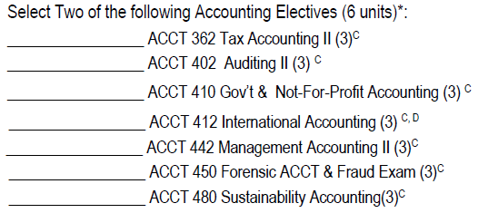
 |  |  | ENTR 355 * | 3
 |  |  | ENTR 380 | 3
 |  |  | ENTR 410 | 3
 |  |  | ENTR ELEC | 3
 |  |  | ENTR ELEC | 3
 |  |  | ENTR ELEC | 3
 |  |  | ENTR ELEC | 3
 |  |  | ENTR ELEC | 3

 |  |  | Finance
 |  |  | FIN 333 | 3
ECON MAJOR |  |  | FIN 350 | 3
ECON 306 | 3 |  | FIN 351 | 3
ECON 309 | 3 |  | FIN 430 | 3
ECON 310 | 3 |  | FIN 436 | 3 |  | 2019/20 AND BEFORE
ECON 4XX ELEC | 3 |  | FIN 439 | 3
ECON 4XX ELEC | 3 |  | FIN ELEC | 3
ECON 3/4XX ELEC | 3 |  | FIN ELEC | 3
ECON 3/4XX ELEC | 3
ECON 3/4XX ELEC | 3 |  | Financial Planning

 |  |  | FIN 333 | 3
ECON - FNEC TRACK |  |  | FIN 350 | 3
FIN 331 | 3 |  | FPLN 341 | 3
FIN 333 | 3 |  | ACCT 361 | 3
FIN 350 | 3 |  | FPLN 441 | 3 | FALL - ONLY
FIN 351 | 3 |  | FPLN 443 | 3 | FALL - ONLY
FNEC ELEC | 3 | FIN 430/433/435/439 | FPLN 450 | 3 | SPRING - ONLY
FNEC ELEC | 3 | FIN 430/433/435/439
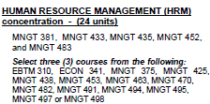
 |  |  | Human Resources
ECON - MTEC TRACK |  |  | MNGT 381 * | 3
MATH 265 | 4 |  | MNGT 433 | 3
MATH 267 | 4 |  | MNGT 435 | 3
MATH 274 | 4 |  | MNGT 452 | 3
MATH 275 | 4 |  | MNGT 483 | 3
MATH 372/331 | 4 |  | MNGT ELEC | 3
MATH 374/332 | 3 |  | MNGT ELEC | 3
 |  |  | MNGT ELEC | 3
ACCT MINOR | 24 CREDITS
ACCT 201 | 3 |  | International Business
ACCT 202 | 3 |  | MNGT 375 | 3
ACCT 300 | 3 |  | MNGT 438 | 3
ACCT 301 | 3 |  | MNGT 463 | 3
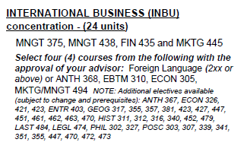
ACCT 302 | 3 |  | ENTR 403 | 3
ACCT 341 | 3 |  | FIN 435 | 3
ACCT 361 | 3 |  | MKTG 445 | 3
 |  |  | MNGT ELEC | 3
BUAD MINOR | 24 CREDITS |  | MNGT ELEC | 3
ACCT 201 | 3
ACCT 202 | 3 |  | Investments
ECON 201 | 3 |  | FIN 333 | 3
ECON 202 | 3 |  | FIN 350 | 3
ECON 205/MATH 231 | 3 |  | FIN 423 | 3
MKTG 341 | 3 |  | FIN 430 | 3
MNGT 361 | 3 |  | FIN 433 | 3
FIN 330/1 | 3 |  | FIN 436 | 3
 |  |  | INVS ELEC | 3
BUAN MINOR | 20-21 CREDITS
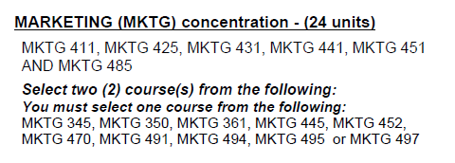
EBTM 250 | 1 | 1ST HALF | Marketing
EBTM 251 | 1 | 2ND HALF | MKTG 411 * | 3
STATS | 3 | ECON 205/MATH 231/237/PSYC 212/SOCI 212 | MKTG 425 * | 3
EBTM 320 | 3 |  | MKTG 431 * | 3
EBTM 350 | 3 |  | MKTG 451 * | 3
EBTM 400 | 3 | SPRING ONLY | MKTG 441 | 3
EBTM 446 | 3 |  | MKTG 485 | 3
BUAN ELEC | 3 | See catalog/advising form for electives | MKTG ELEC | 3
 |  |  | MKTG ELEC | 3
ECON MINOR | 18 CREDITS
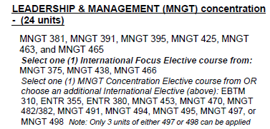
ECON 201 | 3 |  | Management
ECON 202 | 3 |  | MNGT 381 * | 3
ECON ELEC | 3 |  | MNGT 391 * | 3
ECON ELEC | 3 |  | MNGT 395 | 3
ECON ELEC | 3 |  | MNGT 425 | 3
ECON ELEC | 3 |  | MNGT 463 | 3
 |  |  | MNGT 465 | 3
ENTR MINOR | 18 CREDITS |  | INT'L MNGT | 3 | MNGT 375/438/466
ENTR 305 | 3 |  | MNGT ELEC | 3
ENTR 310 | 3
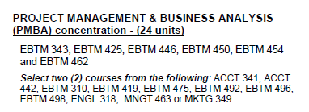
ENTR 355 | 3 |  | Project Management & Business Analysis
ENTR 410 | 3 |  | EBTM 343 * | 3
 |  |  | EBTM 425 * | 3
ENTR CERT | 12 CREDITS |  | EBTM 446 * | 3
ENTR 110 | 3 |  | EBTM 450 | 3
ENTR 215 | 3 |  | EBTM 454 | 3
ENTR 355 | 3 |  | EBTM 462 | 3
ENTR 410 | 3 |  | PMBA ELEC | 3 | EBTM 310/419/ENGL 318/MNGT 463
ENTR ELEC | 3 | See catalog/advising form for electives | PMBA ELEC | 3 | EBTM 310/419/ENGL 318/MNGT 463
ENTR ELEC | 3 | See catalog/advising form for electives
 |  |  | DECLARE CONC/TRACK | 3
FIN MINOR | 18 CREDITS |  | DECLARE CONC/TRACK | 3
FIN 331 | 3 |  | DECLARE CONC/TRACK | 3
FIN 333 | 3 |  | DECLARE CONC/TRACK | 3
FIN 350 | 3 |  | DECLARE CONC/TRACK | 3
FIN 351 | 3 |  | DECLARE CONC/TRACK | 3
FIN ELEC | 3 | See catalog/advising form for electives | DECLARE CONC/TRACK | 3
FIN ELEC | 3 | See catalog/advising form for electives | DECLARE CONC/TRACK | 3

LEGL MINOR | 18 CREDITS
LEGL 225 | 3
LEGL 226 | 3
LEGL 413/LEGL 427 | 3
LEGL ELEC | 3 | LEGL 325/328/335/407/470/495/MNGT 482
LEGL ELEC | 3 | LEGL 325/328/335/407/470/495/MNGT 482
LEGL ELEC | 3 | LEGL 325/328/335/407/470/495/MNGT 482

MKTG MINOR | 21 CREDITS
ECON 201 | 3
MKTG 341 | 3
MKTG 425 | 3
MKTG 451 | 3
MKTG 445 | 3
COMM 131/THEA 101 | 3
MKTG ELEC | 3

